switch
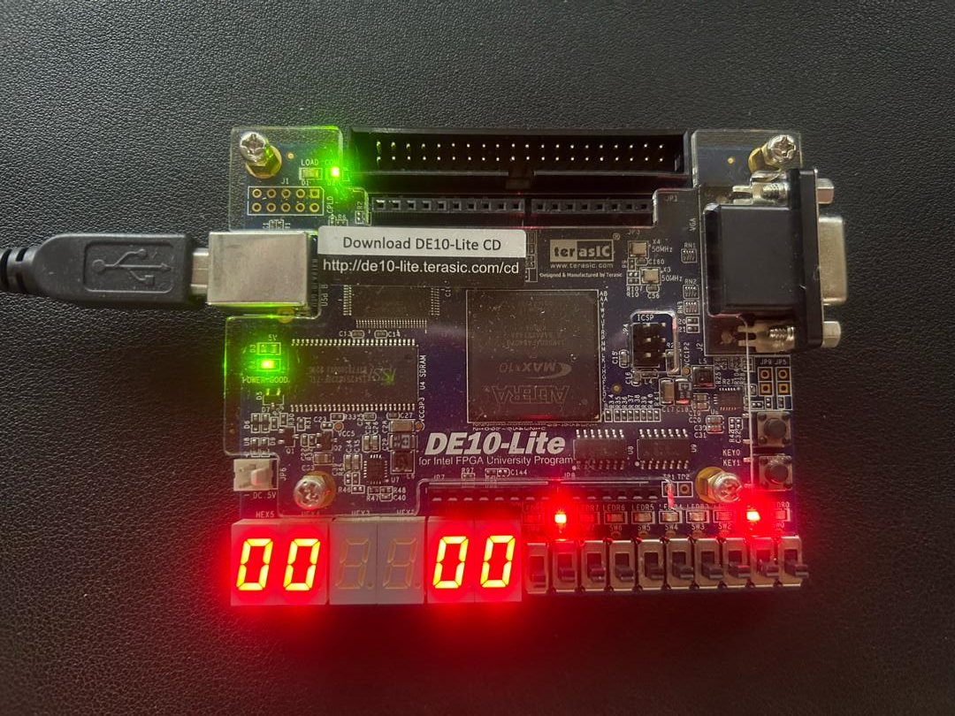

Traffic light A
Led:
right - red
middle - yellow
left - green
Traffic light B
Led:
right - red
middle - yellow
left - green
Traffic light B
count down timer display the remaining time
Traffic light A
count down Timer
display the remaining time

Slide switch [0] - enable switch
pull up:
- normal operation
pull down:
- malfunction
- count down timer will turn to 00 and middle led blink per sec

Block diagram
SlideSwitch
/10
7 segment
S2

Traffic light A state

D

State
traffic_light_A_InSecHi

500MHz Clock

Src selector
2in
1out

0

Traffic light A controller
%10
7 segment
S1
Led

traffic_light_A_second_display
i_en
traffic_light_A_InSecLo

traffic_light_A_second[6:0]
traffic_light_A_second

/10
7 segment
S2
D
Traffic light B state

traffic_light_B_InSecHi
State

Src selector
2in
1out

0

%10
7 segment
S1

Traffic light B controller

Led
traffic_light_B_second_display
traffic_light_B_InSecLo
i_en

traffic_light_B_second[6:0]
traffic_light_B_second

